LDBOND
LIC MF BOND FUND |  |  |  |  |  |  | Index

Monthly Portfolio Statement as on March 31,2022
Name of the Instrument | ISIN | Industry / Rating | Quantity | Market/Fair Value (Rounded, Rs. In Lacs) | Rounded, % to Net Assets | Yield

Debt Instruments
(a)Listed / Awaiting listing on stock Exchanges
5.63% Government of India | IN0020210012 | SOVEREIGN | 3,494,500.000 | 3,540.95 | 33.44% | 6.01%
7.37% State Government of Maharashtra | IN2220160062 | SOVEREIGN | 2,500,000.000 | 2,610.82 | 24.65% | 6.30%
7.68% Government of India | IN0020150010 | SOVEREIGN | 500,000.000 | 532.86 | 5.03% | 5.00%
7.16% Government of India | IN0020130012 | SOVEREIGN | 500,000.000 | 526.62 | 4.97% | 4.67%
6.59% Indian Railway Finance Corporation Ltd. ** | INE053F07BZ2 | CRISIL AAA | 50.000 | 523.19 | 4.94% | 4.96%
5.22% Government of India | IN0020200112 | SOVEREIGN | 500,000.000 | 501.18 | 4.73% | 5.67%
7.32% Government of India | IN0020180488 | SOVEREIGN | 100,000.000 | 103.75 | 0.98% | 5.00%
7.98% State Government of Gujarat | IN1520160038 | SOVEREIGN | 53,800.000 | 58.75 | 0.55% | 6.27%
Sub Total |  |  |  | 8,398.12 | 79.29%

(b)Privately Placed/Unlisted
Sub Total |  |  |  | NIL | NIL

(c)Securitised Debt Instruments
Sub Total |  |  |  | NIL | NIL

TOTAL |  |  |  | 8,398.12 | 79.30%

Money Market Instruments

Treasury Bill
91 DAYS TBILL RED 02-06-2022 | IN002021X553 | SOVEREIGN | 1,000,000.000 | 993.72 | 9.38% | 3.72%
Sub Total |  |  |  | 993.72 | 9.38%

TOTAL |  |  |  | 993.72 | 9.38%

Treps / Reverse Repo
Treps |  |  |  | 1,103.40 | 10.42%
Sub Total |  |  |  | 1,103.40 | 10.42%

TOTAL |  |  |  | 1,103.40 | 10.42%
Net Receivables / (Payables) |  |  |  | 94.58 | 0.90%
GRAND TOTAL |  |  |  | 10,589.82 | 100.00%

** Non Traded Security

The product is suitable for investors who are seeking* | Riskometer - Scheme | Primary Benchmark | Riskometer - Primary Benchmark
LIC MF Bond Fund | 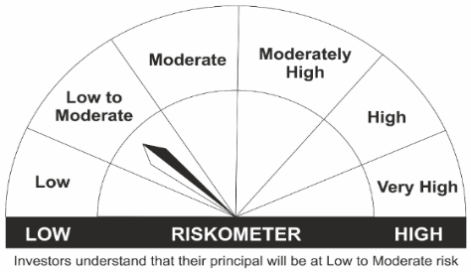 |  | 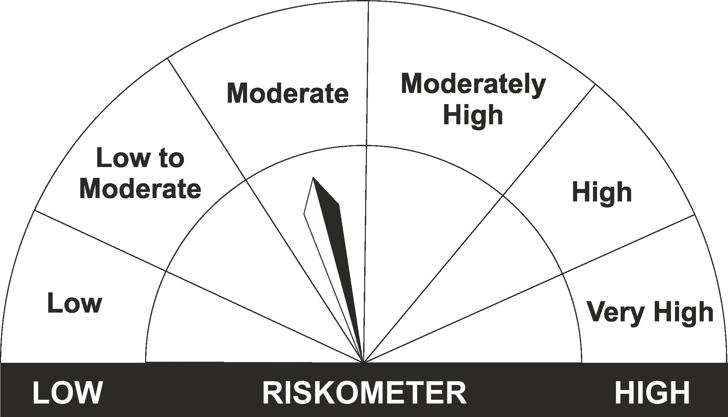
•Income Over Medium to long term |  | CRISIL Composite Bond Fund Index
•To generate income/capital appreciation through investments in Debt / Money Market Instruments
•Risk – Low to Moderate |  | •Risk - Moderate

*Investors should consult their financial advisers if in doubt about whether the product is suitable for them.
Mutual Fund investments are subject to market risks, read all scheme related documents carefully.

 | Potential Risk Class
LIC MF Bond Fund | Credit Risk | Relatively Low (Class A) | Moderate (Class B) | Relatively High (Class C)
 | Interest Rate Risk
 | Relatively Low (Class I)
 | Moderate (Class II)
 | Relatively High (Class III) |  | B-III

LDGETF
LIC MF G-SEC LONG TERM ETF |  |  |  |  |  |  | Index

Monthly Portfolio Statement as on March 31,2022
Name of the Instrument | ISIN | Industry / Rating | Quantity | Market/Fair Value (Rounded, Rs. In Lacs) | Rounded, % to Net Assets | Yield

Debt Instruments
(a)Listed / Awaiting listing on stock Exchanges
6.1% Government of India | IN0020210095 | SOVEREIGN | 41,073,100.000 | 39,544.04 | 43.00% | 6.84%
6.54% Government of India | IN0020210244 | SOVEREIGN | 16,225,000.000 | 16,121.68 | 17.53% | 6.82%
7.95% Government of India | IN0020020106 | SOVEREIGN | 12,000,000.000 | 12,914.98 | 14.04% | 7.00%
7.5% Government of India | IN0020040039 | SOVEREIGN | 10,785,000.000 | 11,270.18 | 12.26% | 7.08%
6.68% Government of India | IN0020170042 | SOVEREIGN | 10,000,000.000 | 9,906.65 | 10.77% | 6.85%
Sub Total |  |  |  | 89,757.53 | 97.60%

(b)Privately Placed/Unlisted
Sub Total |  |  |  | NIL | NIL

(c)Securitised Debt Instruments
Sub Total |  |  |  | NIL | NIL

TOTAL |  |  |  | 89,757.53 | 97.61%

Treps / Reverse Repo
Treps |  |  |  | 2,214.02 | 2.41%
Sub Total |  |  |  | 2,214.02 | 2.41%

TOTAL |  |  |  | 2,214.02 | 2.41%
Net Receivables / (Payables) |  |  |  | (13.12) | (0.02%)
GRAND TOTAL |  |  |  | 91,958.43 | 100.00%

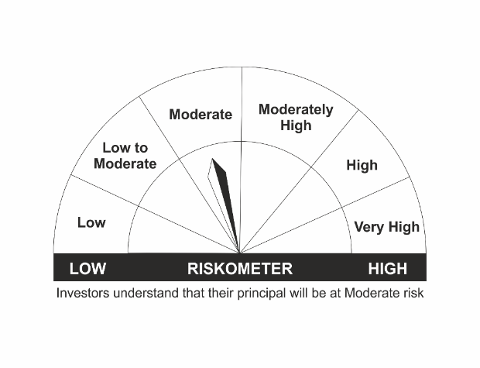
The product is suitable for investors who are seeking* | Riskometer - Scheme | Primary Benchmark | Riskometer - Primary Benchmark
LIC MF G-Sec Long Term Exchange Traded Fund
•Medium to long term regular Income. |  | Nifty 8-13 yr G-Sec
•Investment in securities in line with Nifty 8- 13 Yr G-Sec Index to generate comparable returns subject to tracking error.
•Risk - Moderate |  | •Risk - Moderate

*Investors should consult their financial advisers if in doubt about whether the product is suitable for them.
Mutual Fund investments are subject to market risks, read all scheme related documents carefully.

 | Potential Risk Class
LIC MF G-Sec Long Term ETF | Credit Risk | Relatively Low (Class A) | Moderate (Class B) | Relatively High (Class C)
 | Interest Rate Risk
 | Relatively Low (Class I)
 | Moderate (Class II)
 | Relatively High (Class III) | A-III

LDGSEC
LIC MF GOVT. SECURITIES FUND |  |  |  |  |  |  | Index

Monthly Portfolio Statement as on March 31,2022
Name of the Instrument | ISIN | Industry / Rating | Quantity | Market/Fair Value (Rounded, Rs. In Lacs) | Rounded, % to Net Assets | Yield

Debt Instruments
(a)Listed / Awaiting listing on stock Exchanges
5.63% Government of India | IN0020210012 | SOVEREIGN | 1,500,000.000 | 1,519.67 | 27.50% | 6.01%
7.32% Government of India | IN0020180488 | SOVEREIGN | 1,000,000.000 | 1,052.75 | 19.05% | 5.00%
7.37% State Government of Maharashtra | IN2220160062 | SOVEREIGN | 500,000.000 | 522.16 | 9.45% | 6.30%
Sub Total |  |  |  | 3,094.58 | 56.00%

(b)Privately Placed/Unlisted
Sub Total |  |  |  | NIL | NIL

(c)Securitised Debt Instruments
Sub Total |  |  |  | NIL | NIL

TOTAL |  |  |  | 3,094.58 | 55.99%

Money Market Instruments

Treasury Bill
91 DAYS TBILL RED 21-04-2022 | IN002021X496 | SOVEREIGN | 1,000,000.000 | 998.21 | 18.06% | 3.27%
91 DAYS TBILL RED 02-06-2022 | IN002021X553 | SOVEREIGN | 500,000.000 | 496.86 | 8.99% | 3.72%
Sub Total |  |  |  | 1,495.07 | 27.05%

TOTAL |  |  |  | 1,495.07 | 27.05%

Treps / Reverse Repo
Treps |  |  |  | 1,446.14 | 26.16%
Sub Total |  |  |  | 1,446.14 | 26.16%

TOTAL |  |  |  | 1,446.14 | 26.16%
Net Receivables / (Payables) |  |  |  | (508.71) | (9.20%)
GRAND TOTAL |  |  |  | 5,527.08 | 100.00%

The product is suitable for investors who are seeking* | Riskometer - Scheme | Primary Benchmark | Riskometer - Primary Benchmark
LIC MF Govt. Securities Fund | 
•Long term Capital Appreciation and current income |  | Nifty All Duration G-Sec Index
•Investment in sovereign securities issued by Central/ State Government
•Risk – Low to Moderate |  | •Risk - Moderate

*Investors should consult their financial advisers if in doubt about whether the product is suitable for them.
Mutual Fund investments are subject to market risks, read all scheme related documents carefully.

 | Potential Risk Class
LIC MF Govt. Securities Fund | Credit Risk | Relatively Low (Class A) | Moderate (Class B) | Relatively High (Class C)
 | Interest Rate Risk
 | Relatively Low (Class I)
 | Moderate (Class II)
 | Relatively High (Class III) | A-III

LDMIPF
LIC MF DEBT HYBRID FUND |  |  |  |  |  |  | Index

Monthly Portfolio Statement as on March 31,2022
Name of the Instrument | ISIN | Industry / Rating | Quantity | Market/Fair Value (Rounded, Rs. In Lacs) | Rounded, % to Net Assets | Yield
Equity & Equity related
(a)Listed / Awaiting listing on Stock Exchanges
Infosys Ltd. | INE009A01021 | SOFTWARE | 19,352.000 | 369.01 | 5.74%
ICICI Bank Ltd. | INE090A01021 | BANKS | 39,694.000 | 289.89 | 4.51%
HDFC Bank Ltd. | INE040A01034 | BANKS | 8,307.000 | 122.14 | 1.90%
Reliance Industries Ltd. | INE002A01018 | PETROLEUM PRODUCTS | 4,460.000 | 117.51 | 1.83%
Nestle India Ltd. | INE239A01016 | CONSUMER NON DURABLES | 571.000 | 99.24 | 1.54%
Larsen & Toubro Infotech Ltd. | INE214T01019 | SOFTWARE | 1,595.000 | 98.18 | 1.53%
Hindustan Unilever Ltd. | INE030A01027 | CONSUMER NON DURABLES | 4,733.000 | 96.96 | 1.51%
Tech Mahindra Ltd. | INE669C01036 | SOFTWARE | 4,830.000 | 72.42 | 1.13%
Mahindra & Mahindra Ltd. | INE101A01026 | AUTO | 8,441.000 | 68.08 | 1.06%
Bharti Airtel Ltd. | INE397D01024 | TELECOM - SERVICES | 7,246.000 | 54.70 | 0.85%
Abbott India Ltd. | INE358A01014 | PHARMACEUTICALS | 69.000 | 12.21 | 0.19%
Bharti Airtel Ltd. PARTLY PAID UP FV 1.25 | IN9397D01014 | TELECOM - SERVICES | 642.000 | 2.54 | 0.04%
Sub Total |  |  |  | 1,402.88 | 21.80%
(b) Unlisted
Sub Total |  |  |  | NIL | NIL

TOTAL |  |  |  | 1,402.88 | 21.80%

Debt Instruments
(a)Listed / Awaiting listing on stock Exchanges
7.32% Government of India | IN0020180488 | SOVEREIGN | 2,500,000.000 | 2,631.86 | 40.91% | 5.00%
5.63% Government of India | IN0020210012 | SOVEREIGN | 250,000.000 | 253.24 | 3.94% | 6.01%
8.3% Government of India | IN0020100031 | SOVEREIGN | 60,000.000 | 67.94 | 1.06% | 7.19%
8.49% NTPC Ltd. ** | INE733E07JP6 | CRISIL AAA | 47,900.000 | 6.33 | 0.10% | 5.72%
Sub Total |  |  |  | 2,959.37 | 46.01%

(b)Privately Placed/Unlisted
Sub Total |  |  |  | NIL | NIL

(c)Securitised Debt Instruments
Sub Total |  |  |  | NIL | NIL

TOTAL |  |  |  | 2,959.37 | 46.00%

Money Market Instruments

Treasury Bill
91 DAYS TBILL RED 23-06-2022 | IN002021X587 | SOVEREIGN | 1,950,000.000 | 1,933.73 | 30.06% | 3.70%
Sub Total |  |  |  | 1,933.73 | 30.06%

TOTAL |  |  |  | 1,933.73 | 30.06%

Treps / Reverse Repo
Treps |  |  |  | 181.52 | 2.82%
Sub Total |  |  |  | 181.52 | 2.82%

TOTAL |  |  |  | 181.52 | 2.82%
Net Receivables / (Payables) |  |  |  | (43.83) | (0.68%)
GRAND TOTAL |  |  |  | 6,433.67 | 100.00%

** Non Traded Security

The product is suitable for investors who are seeking* | Riskometer - Scheme | Primary Benchmark | Riskometer - Primary Benchmark
LIC MF Debt Hybrid Fund |  |  | 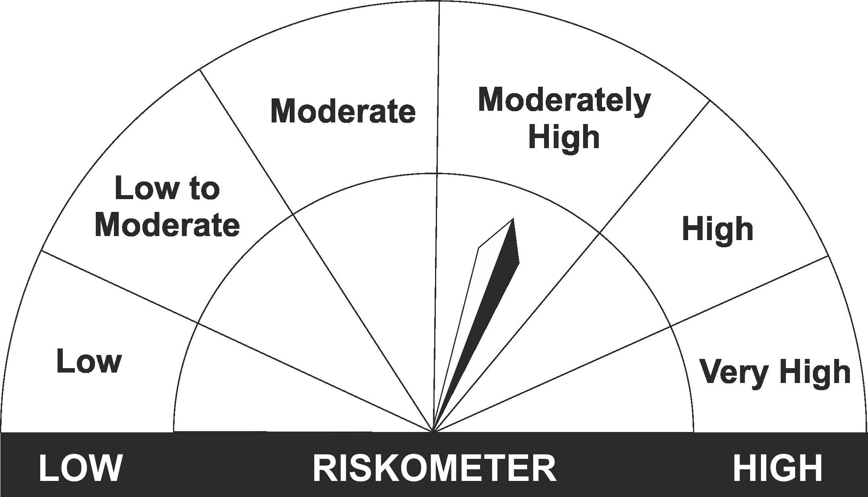
•Medium term capital appreciation with current income |  | CRISIL Hybrid 85+15 - Conservative Index
•A fund that invests predominantly in debt instruments with marginal equity exposure.
•Risk - Moderate |  | •Risk - Moderately High

*Investors should consult their financial advisers if in doubt about whether the product is suitable for them.
Mutual Fund investments are subject to market risks, read all scheme related documents carefully.

LDONTF
LIC MF OVERNIGHT FUND |  |  |  |  |  |  | Index

Monthly Portfolio Statement as on March 31,2022
Name of the Instrument | ISIN | Industry / Rating | Quantity | Market/Fair Value (Rounded, Rs. In Lacs) | Rounded, % to Net Assets | Yield

Money Market Instruments

Treasury Bill
364 DAYS TBILL RED 07-04-2022 | IN002021Z012 | SOVEREIGN | 500,000.000 | 499.73 | 0.56% | 3.35%
Sub Total |  |  |  | 499.73 | 0.56%

TOTAL |  |  |  | 499.73 | 0.56%

Treps / Reverse Repo
Treps |  |  |  | 88,375.67 | 99.28%
Sub Total |  |  |  | 88,375.67 | 99.28%

TOTAL |  |  |  | 88,375.67 | 99.28%
Net Receivables / (Payables) |  |  |  | 143.93 | 0.16%
GRAND TOTAL |  |  |  | 89,019.33 | 100.00%

The product is suitable for investors who are seeking* | Riskometer - Scheme | Primary Benchmark | Riskometer - Primary Benchmark
LIC MF Overnight Fund | 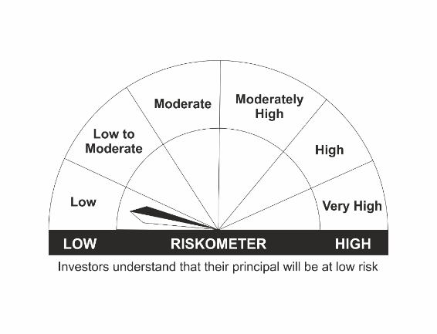 |  | 
•Regular income with high levels of safety and liquidity over short term. |  | NIFTY 1D Rate Index
•Investment in debt and money market instruments with overnight maturity.
•Risk – Low |  | •Risk – Low

*Investors should consult their financial advisers if in doubt about whether the product is suitable for them.
Mutual Fund investments are subject to market risks, read all scheme related documents carefully.

 | Potential Risk Class
LIC MF Overnight Fund | Credit Risk | Relatively Low (Class A) | Moderate (Class B) | Relatively High (Class C)
 | Interest Rate Risk
 | Relatively Low (Class I) | A-I
 | Moderate (Class II)
 | Relatively High (Class III)

LDSTDF
LIC MF SHORT TERM DEBT FUND |  |  |  |  |  |  | Index

Monthly Portfolio Statement as on March 31,2022
Name of the Instrument | ISIN | Industry / Rating | Quantity | Market/Fair Value (Rounded, Rs. In Lacs) | Rounded, % to Net Assets | Yield

Debt Instruments
(a)Listed / Awaiting listing on stock Exchanges
7.35% Government of India | IN0020090034 | SOVEREIGN | 5,000,000.000 | 5,308.99 | 24.32% | 5.34%
6.4% National Bk for Agriculture & Rural Dev. ** | INE261F08CA0 | ICRA AAA | 150.000 | 1,587.48 | 7.27% | 5.14%
7.32% Government of India | IN0020180488 | SOVEREIGN | 1,200,000.000 | 1,263.90 | 5.79% | 5.00%
6.55% NTPC Ltd. ** | INE733E08148 | CRISIL AAA | 100.000 | 1,078.44 | 4.94% | 4.97%
7.16% Government of India | IN0020130012 | SOVEREIGN | 1,000,000.000 | 1,053.25 | 4.82% | 4.67%
8.94% Export Import Bank of India ** | INE514E08CB3 | CRISIL AAA | 100.000 | 1,053.23 | 4.82% | 4.58%
8.8% Power Grid Corporation of India Ltd. ** | INE752E07KN9 | CRISIL AAA | 100.000 | 1,040.98 | 4.77% | 4.77%
6.44% Indian Oil Corporation Ltd. ** | INE242A08445 | CRISIL AAA | 100.000 | 1,028.79 | 4.71% | 4.90%
5.22% Government of India | IN0020200112 | SOVEREIGN | 1,000,000.000 | 1,002.36 | 4.59% | 5.67%
5.32% National Housing Bank ** | INE557F08FK3 | CRISIL AAA | 50.000 | 524.05 | 2.40% | 5.04%
5.15% Government of India | IN0020200278 | SOVEREIGN | 500,000.000 | 499.03 | 2.29% | 5.84%
Sub Total |  |  |  | 15,440.50 | 70.72%

(b)Privately Placed/Unlisted
Sub Total |  |  |  | NIL | NIL

(c)Securitised Debt Instruments
Sub Total |  |  |  | NIL | NIL

TOTAL |  |  |  | 15,440.50 | 70.73%

Money Market Instruments

Certificate of Deposit
Axis Bank Ltd. ** # | INE238A163X4 | CRISIL A1+ | 400.000 | 1,984.37 | 9.09% | 3.83%
Sub Total |  |  |  | 1,984.37 | 9.09%

Treasury Bill
364 DAYS TBILL RED 21-04-2022 | IN002021Z038 | SOVEREIGN | 2,000,000.000 | 1,996.45 | 9.15% | 3.25%
Sub Total |  |  |  | 1,996.45 | 9.15%

TOTAL |  |  |  | 3,980.82 | 18.24%

Treps / Reverse Repo
Treps |  |  |  | 1,278.36 | 5.86%
Sub Total |  |  |  | 1,278.36 | 5.86%

TOTAL |  |  |  | 1,278.36 | 5.86%
Net Receivables / (Payables) |  |  |  | 1,129.55 | 5.17%
GRAND TOTAL |  |  |  | 21,829.23 | 100.00%

# Unlisted Security
** Non Traded Security

The product is suitable for investors who are seeking* | Riskometer - Scheme | Primary Benchmark | Riskometer - Primary Benchmark
LIC MF Short Term Debt Fund | 
•Generation of reasonable returns over short to medium term. |  | CRISIL Short Term Bond Fund Index
•Investment in Debt securities and money market instruments.
•Risk – Low to Moderate |  | •Risk - Moderate

*Investors should consult their financial advisers if in doubt about whether the product is suitable for them.
Mutual Fund investments are subject to market risks, read all scheme related documents carefully.

 | Potential Risk Class
LIC MF Short Term Debt Fund | Credit Risk | Relatively Low (Class A) | Moderate (Class B) | Relatively High (Class C)
 | Interest Rate Risk
 | Relatively Low (Class I)
 | Moderate (Class II) |  | B-II
 | Relatively High (Class III)

LLIQDF
LIC MF LIQUID FUND |  |  |  |  |  |  | Index

Monthly Portfolio Statement as on March 31,2022
Name of the Instrument | ISIN | Industry / Rating | Quantity | Market/Fair Value (Rounded, Rs. In Lacs) | Rounded, % to Net Assets | Yield

Debt Instruments
(a)Listed / Awaiting listing on stock Exchanges
7.85% National Bk for Agriculture & Rural Dev. ** | INE261F08BJ3 | CRISIL AAA | 500.000 | 5,363.24 | 0.81% | 3.83%
Sub Total |  |  |  | 5,363.24 | 0.81%

(b)Privately Placed/Unlisted
Sub Total |  |  |  | NIL | NIL

(c)Securitised Debt Instruments
Sub Total |  |  |  | NIL | NIL

TOTAL |  |  |  | 5,363.24 | 0.81%

Money Market Instruments

Certificate of Deposit
HDFC Bank Ltd. ** # | INE040A16CQ8 | CARE A1+ | 7,000.000 | 34,807.92 | 5.27% | 3.80%
Indian Bank ** # | INE562A16KG5 | FITCH A1+ | 6,000.000 | 29,871.09 | 4.52% | 3.75%
Indian Bank # | INE562A16KE0 | FITCH A1+ | 5,000.000 | 24,841.10 | 3.76% | 3.83%
Bank of Baroda # | INE028A16CJ8 | FITCH A1+ | 4,000.000 | 19,979.66 | 3.03% | 3.72%
Bank of Baroda ** # | INE028A16CR1 | FITCH A1+ | 4,000.000 | 19,930.96 | 3.02% | 3.72%
Bank of Baroda ** # | INE028A16CN0 | FITCH A1+ | 4,000.000 | 19,920.84 | 3.02% | 3.72%
HDFC Bank Ltd. ** # | INE040A16CR6 | CARE A1+ | 2,000.000 | 9,972.52 | 1.51% | 3.73%
Canara Bank ** # | INE476A16SN7 | CRISIL A1+ | 2,000.000 | 9,960.04 | 1.51% | 3.75%
Axis Bank Ltd. ** # | INE238A161W0 | CRISIL A1+ | 10,000.000 | 9,955.32 | 1.51% | 3.90%
Axis Bank Ltd. ** # | INE238A162W8 | CRISIL A1+ | 7,500.000 | 7,468.09 | 1.13% | 3.90%
Indian Bank # | INE562A16KC4 | FITCH A1+ | 1,000.000 | 4,983.92 | 0.75% | 3.80%
Axis Bank Ltd. ** # | INE238A168X3 | CRISIL A1+ | 1,000.000 | 4,981.38 | 0.75% | 3.90%
Sub Total |  |  |  | 196,672.84 | 29.79%

Commercial Paper
Export Import Bank of India | INE514E14QE5 | CARE A1+ | 6,000.000 | 29,988.18 | 4.54% | 3.60%
Reliance Jio Infocomm Ltd. ** | INE110L14QR9 | CRISIL A1+ | 6,000.000 | 29,715.60 | 4.50% | 3.97%
Indian Oil Corporation Ltd. ** | INE242A14WC3 | CRISIL A1+ | 5,000.000 | 24,956.43 | 3.78% | 3.75%
Bajaj Finance Ltd. ** | INE296A14SU9 | CRISIL A1+ | 4,000.000 | 19,984.28 | 3.03% | 4.10%
National Bk for Agriculture & Rural Dev. ** | INE261F14IN8 | CRISIL A1+ | 4,000.000 | 19,961.30 | 3.02% | 3.72%
Indian Oil Corporation Ltd. ** | INE242A14WD1 | CRISIL A1+ | 4,000.000 | 19,956.94 | 3.02% | 3.75%
TVS Credit Services Ltd. ** | INE729N14GD3 | CRISIL A1+ | 4,000.000 | 19,935.82 | 3.02% | 4.70%
Kotak Securities Ltd. ** | INE028E14JR3 | ICRA A1+ | 4,000.000 | 19,879.36 | 3.01% | 4.26%
National Bk for Agriculture & Rural Dev. ** | INE261F14IQ1 | CRISIL A1+ | 4,000.000 | 19,861.20 | 3.01% | 3.87%
Export Import Bank of India ** | INE514E14QF2 | CARE A1+ | 3,500.000 | 17,489.61 | 2.65% | 3.62%
Indian Oil Corporation Ltd. ** | INE242A14WA7 | CRISIL A1+ | 3,500.000 | 17,482.05 | 2.65% | 3.75%
Export Import Bank of India ** | INE514E14QD7 | CARE A1+ | 3,000.000 | 14,992.59 | 2.27% | 3.61%
ICICI Securities Ltd. ** | INE763G14LM7 | CRISIL A1+ | 3,000.000 | 14,979.05 | 2.27% | 4.26%
NTPC Ltd. ** | INE733E14AS5 | FITCH A1+ | 2,500.000 | 12,460.05 | 1.89% | 3.78%
ICICI Securities Ltd. ** | INE763G14LW6 | CRISIL A1+ | 1,500.000 | 7,459.95 | 1.13% | 4.26%
Godrej Industries Ltd. ** | INE233A14UD4 | ICRA A1+ | 1,300.000 | 6,467.52 | 0.98% | 3.98%
Sub Total |  |  |  | 295,569.93 | 44.77%

Treasury Bill
91 DAYS TBILL RED 30-06-2022 | IN002021X595 | SOVEREIGN | 50,000,000.000 | 49,546.50 | 7.50% | 3.71%
364 DAYS TBILL RED 02-06-2022 | IN002021Z095 | SOVEREIGN | 7,500,000.000 | 7,452.91 | 1.13% | 3.72%
Sub Total |  |  |  | 56,999.41 | 8.63%

TOTAL |  |  |  | 549,242.18 | 83.19%

Treps / Reverse Repo
Treps |  |  |  | 105,357.95 | 15.95%
Sub Total |  |  |  | 105,357.95 | 15.95%

TOTAL |  |  |  | 105,357.95 | 15.95%
Net Receivables / (Payables) |  |  |  | 291.46 | 0.05%
GRAND TOTAL |  |  |  | 660,254.83 | 100.00%

# Unlisted Security
** Non Traded Security

LIC MF Arbitrage Fund has invested (inter scheme investments) in LIC MF Liquid Fund. Market value of such investments as on 31st March 2022 is 769.93 lacs.

The product is suitable for investors who are seeking* | Riskometer - Scheme | Primary Benchmark | Riskometer - Primary Benchmark
LIC MF Liquid Fund |  |  | 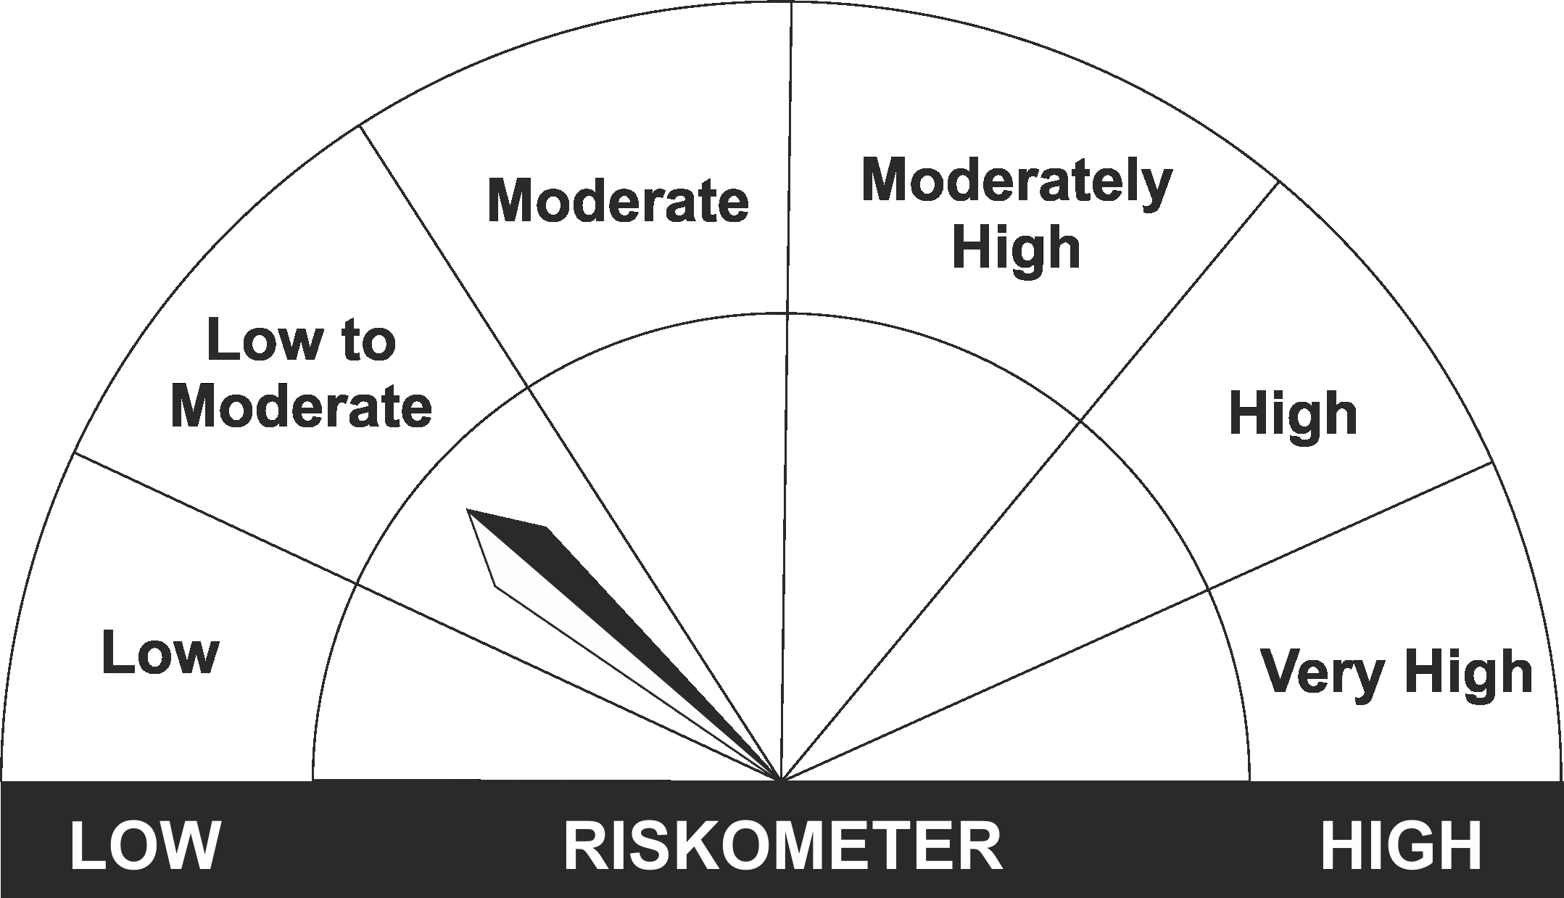
•Regular income for short term |  | CRISIL Liquid Fund Index
•Investment in Debt/Money Market Instruments with maturity of upto 91 days.
•Risk – Low to Moderate |  | •Risk – Low to Moderate

*Investors should consult their financial advisers if in doubt about whether the product is suitable for them.
Mutual Fund investments are subject to market risks, read all scheme related documents carefully.

 | Potential Risk Class
LIC MF Liquid Fund | Credit Risk | Relatively Low (Class A) | Moderate (Class B) | Relatively High (Class C)
 | Interest Rate Risk
 | Relatively Low (Class I) |  | B-I
 | Moderate (Class II)
 | Relatively High (Class III)

